FFP_45degree1.49%_total149.48
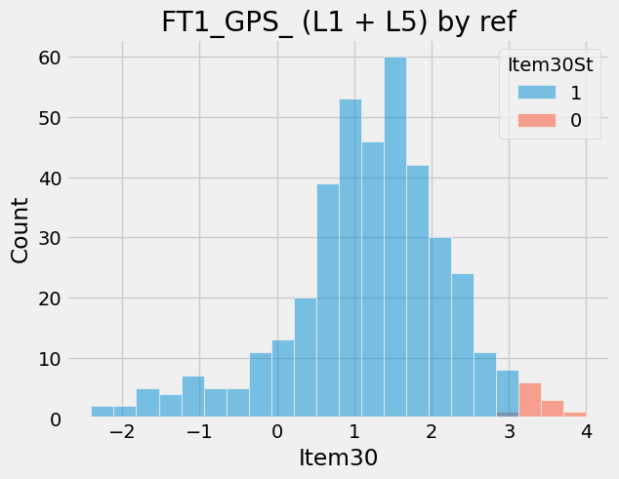
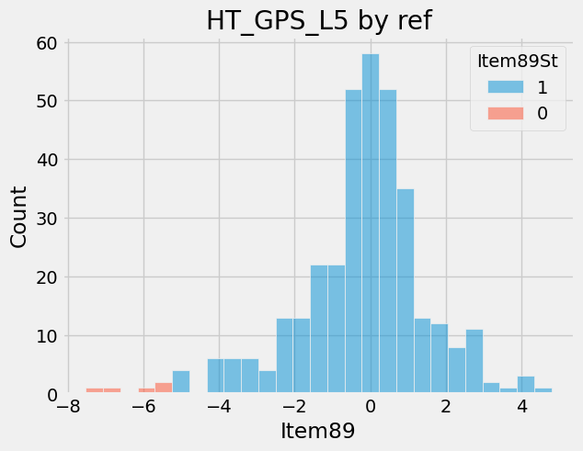
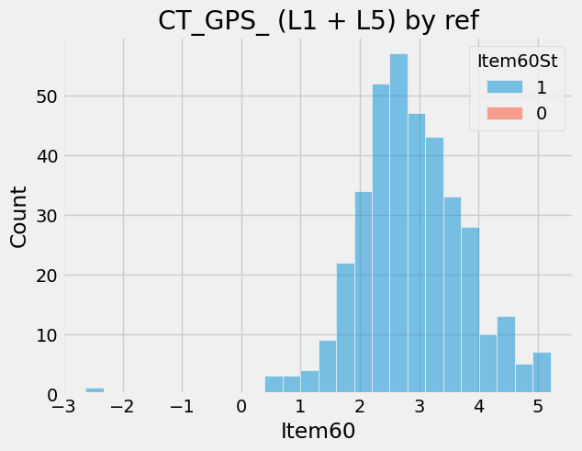
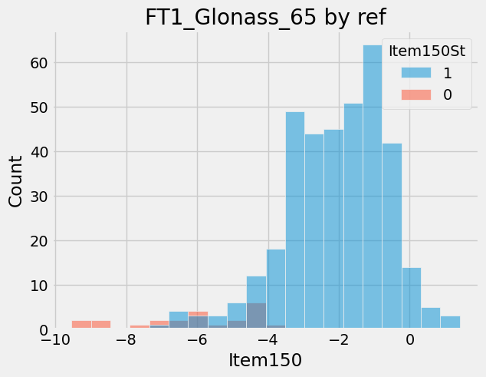
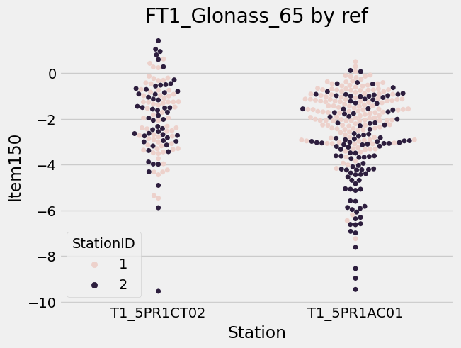
ItemNameType | ProcessType | Item | ItemName | CountCountESN | Retest
18203 | DescentMK3_FT2 | 213 | ALS Luminance (WLED ON) (MK3) | 55/377 | 14.59 | 偏低，但沒問題，會調整規格
17764 | DescentMK3_Airtight_IP | 7 | Simulated Dive Test Start | 48/377 | 12.73 | Fail value are all '1' 。OP沒接MTP port。PR會取消
18205 | DescentMK3_RTESN | 56 | 陶瓷聲納| Sonar Receiver_RSSI | 37/382 | 9.69 | 同個ESN沒有值或值高達幾千，合格值應是幾百。 治具調整完後已不會貢獻錯誤 Conn問題 陶瓷焊接不好
17764 | DescentMK3_Airtight_IP | 11 | Internal Pressure Diff. P2 - P1 | 36/377 | 9.55 | 三四千內會pass。第一次位移尺(沒封好)，再做第二次位移尺(封起來會過)，但機台內已經有氣體，所以內壓差會NG
18195 | DescentMK3_FT1 | 150 | Glonass_65 by ref | 35/379 | 9.23 | 此Build有兩種厚度的後殼。機台在chamber內的角度需再定義
8837 | Airtight_table | 124 | 連續斜率異常_正壓 | 34/378 | 8.99
18203 | DescentMK3_FT2 | 28 | ANT Radiated TX Power | 24/377 | 6.37 | 新測試治具，選擇新測試角度，EE把規格卡緊
8837 | Airtight_table | 122 | 斜率絕對值超出規格_正壓 | 15/378 | 3.97
18199 | DescentMK3_Baro | 20 | (Felica SPC)Check compensated value | 13/376 | 3.46 | 重測的值都一樣不變。軟體有更新，所以產線重測 Felica base on ZB天線
8837 | Airtight_table | 129 | 變形量絕對值超出規格_常壓 | 13/378 | 3.44
8837 | Airtight_table | 118 | 連續斜率異常_負壓 | 12/378 | 3.17
18195 | DescentMK3_FT1 | 30 | GPS_ (L1 + L5) by ref | 11/379 | 2.9
18191 | DescentMK3_CT | 59 | GPS (L1+L5) | 9/379 | 2.37
18195 | DescentMK3_FT1 | 156 | Glonass_78 by ref | 9/379 | 2.37
18205 | DescentMK3_RTESN | 11 | (ILP LED OFF) PD1 AVG | 9/382 | 2.36 | -999重測後回到數百正常值。加時間
18205 | DescentMK3_RTESN | 4 | PVT Calibration | 8/382 | 2.09 | -999重測後回到正常值。加時間
18192 | DescentMK3_HT | 89 | GPS_L5 by ref | 7/379 | 1.85 | 此Build有兩種厚度的後殼。機台在chamber內的角度需再定義
18208 | DescentMK3_IND_Button | 31 | Power按鍵測試 - MAX Value|Power Key Test - MAX Value | 7/381 | 1.84 | -999重測後回到正常值。機台一開始沒辦法被校驗
17545 | DescentMK3_M_B | 213 | Beeper Loudness Difference with Golden | 6/376 | 1.6
8837 | Airtight_table | 120 | 壓力不足_負壓 | 6/378 | 1.59
8837 | Airtight_table | 107 | INI變形量絕對值超出規格 | 6/378 | 1.59
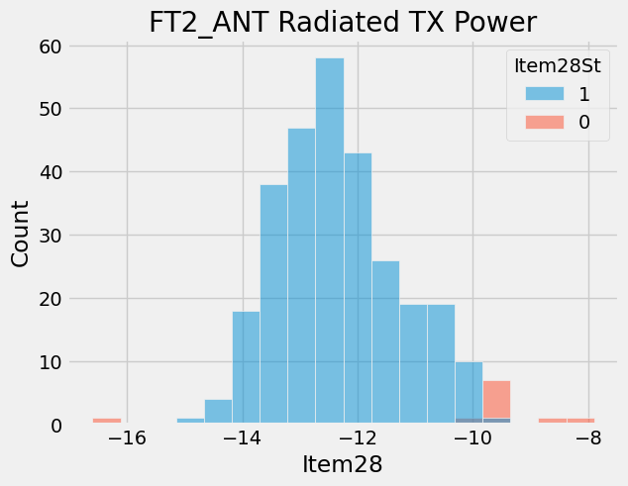
18191 | DescentMK3_CT | 60 | GPS_ (L1 + L5) by ref | 6/379 | 1.58 | 此Build有兩種厚度的後殼。機台在chamber內的角度需再定義
18205 | DescentMK3_RTESN | 7 | NFC Initialization | 6/382 | 1.57 | -999重測後回到正常值"1"。加時間

 | RTESN是因為軟體會關機>更新>再測試

